Large ASHP
Refrigerant |  | R32
Data source |  | tlk-energy.de pressure-enthalpy
T0 | K | 273

 |  | Hot Sink ASHP |  |  | Cold Sink ASHP
 |  | Winter | Spring/Autumn | Summer | Winter | Spring/Autumn | Summer
Rating condition |  | A7W20 | A15.3W20 | A23W20* | A7W10 | A15.3W10* | A23W10*
Compressor Efficiency |  | 80% | 80% | 80% | 80% | 80% | 80% | Add source
Superheating | K | 6 | 6 | 6 | 6 | 6 | 6
Subcooling | K | 5 | 5 | 5 | 5 | 5 | 5

CoP |  | 6.4 | 8 | 9.6* | 7.2 | 8.9* | 10.7*
COPcarnot |  | 14.190 | 23.465 | 59.600
 |  |  |  | * Ambient temp > sink temp. HP operation replaced with heat exchanger

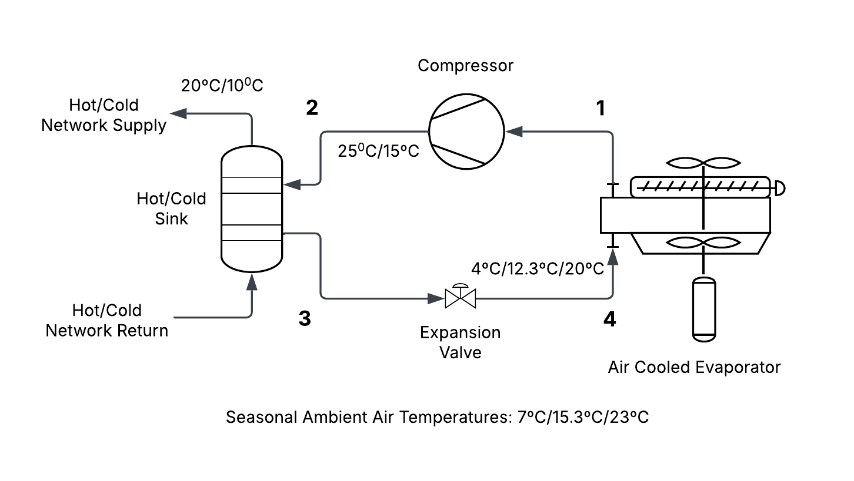
Sink demand | kW
Compressor Power 1-2 | kW
Condenser temp | ºC | 25 | 25 | 25 | 15 | 15 | 15
Evaporator temp | ºC | 4 | 12.3 | 20 | 4 | 12.3 | 20

h1 | kJ/kg | 523.4 | 524.9 | 525.6 | 523.4 | 524.9 | Air temperature higher than condenser temperature
h2,act | kJ/kg | 553.9 | 542.3 | 532.1 | 539.6 | 528.6
h2 | kJ/kg
h3 | kJ/kg | 236.1 | 236.1 | 236.1 | 217.1 | 217.1
h4 | kJ/kg | 236.1 | 236.1 | 236.1 | 217.7 | 217.7
s1 | J/kg.K | 2166.6 | 2138.2 | 2112.3 | 2166.6 | 2138.2
s2,act | J/kg.K | 2185.4 | 2149.2 | 2116.5 | 2177.2 | 2140.7
s2 | J/kg.K
s3 | J/kg.K | 1124.3 | 1124.3 | 1124.3 | 1062.1 | 1062.1
s4 | J/kg.K | 1129.9 | 1126.7 | 1125.1 | 1063.8 | 1062.5

Refrigerant mass flow | kg/s | 0.0000 | 0.0000 | 0.0000

Exergy Destruction over 4-week (672 h) period
Expansion Valve | kWh | 104.87 | 0.00 |  | 274.79
Compressor | kWh | 352.07 | 0.00 |  | 1,713.39 |  |  |  | ›
Condenser | kWh | 100.06 | -17.75 |  | 758.36
Evaporator | kWh | 0.00 | 0.00 |  | 0.00 | Air term ignored
Total | kWh | 557.00 | -17.75 |  | 2,746.54

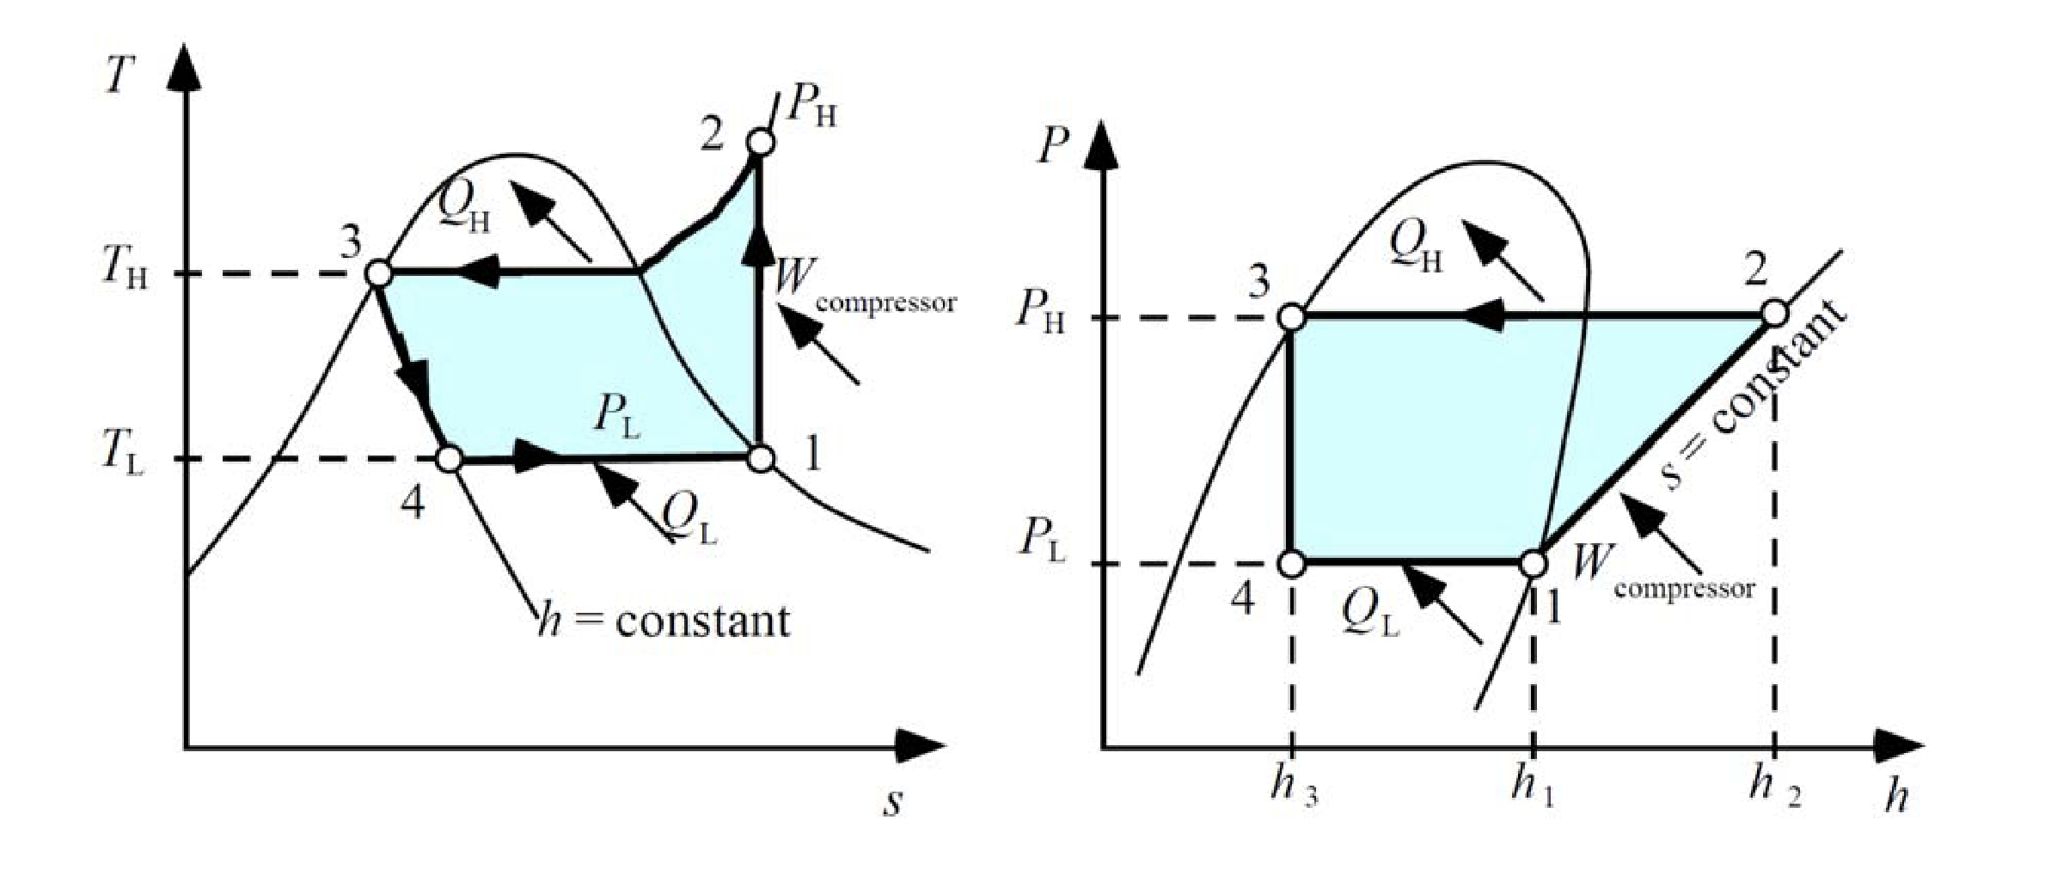
 | Winter |  | Spring/autumn
 | Hot | Cold | Hot | Cold
Expansion Valve | 18.8% | 10.0% | - | 10.0%
Compressor | 63.2% | 62.4% | - | 62.4%
Condenser | 18.0% | 27.6% | - | 27.6%
 | 100% | 100% | 0% | 100%

